Pump
File name | Pump.hsc
Unit Operation | P-100

Workflow
1. Open attached Pump.hsc file.
2. Click on the Datasheet button on the riibon.
3. Select a server to connect, then connect to a workspace.
4. Go to Mapper tab, click on the hyperlink of P-100 to open Object Mapping screen.
5. Select 'CentrifugalPmup' for the MapAs Column, and 'Create' for Workspace Object column.
6. Make sure the ports of the Pump are mapped automated.
7. Click on Close icon at the top right to close the Object Mapping screen.
8. Click Save Change and Transfer button. Make sure P-100 is created and data transfer complete dialog pops up. Click OK to close it.

Expected Results |  | Notes: Existing Defect CQ00770284 V10 [SM]-Hysys-Pump:Differential Pressure is incorrect

Pump (CQ00734580) |  |  |  |  |  | OtherValues |  | MaterialPorts | Nozzles
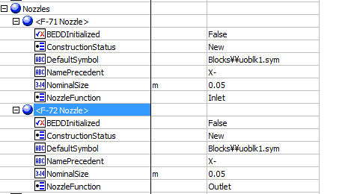
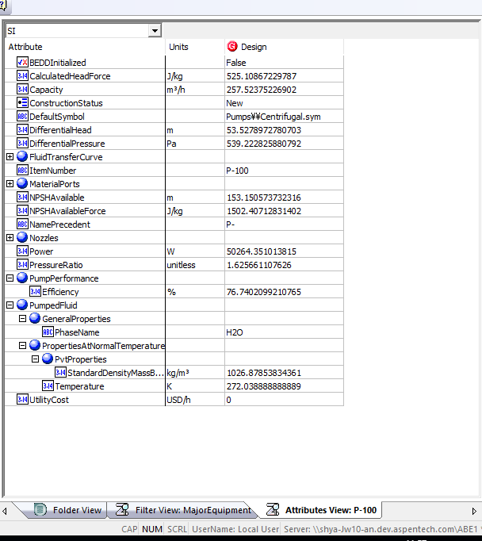
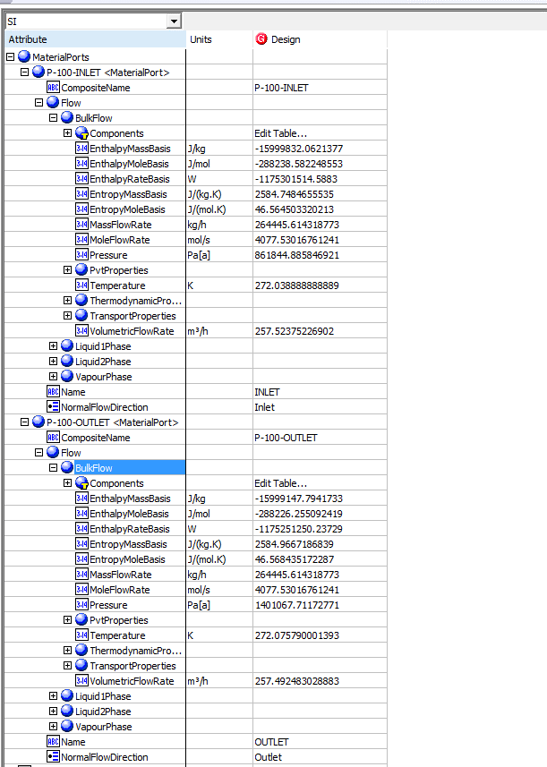
Index Number | Attributes | AbeAdsPump Class View | ABE Default View | Hysys Value | Unit

1 | Capacity/Volumetirc flow rate | Volumetric Flow In | Capacity | 257.52375433 | m3/h
2 | Suction Pressure | Pressure In | MaterialPorts[Name="Inlet"].Flow.BulkFlow.Pressure | 861.84488585 | kPa
3 | Discharge Pressure | Pressure Out | MaterialPorts[Name="Outlet"].Flow.BulkFlow.Pressure | 1401.0677117 | kPa
4 | Differential Pressure | Pressure Drop | Differential Pressure | 539.22282588 | kPa
5 | Differential Head | Calculated Head | DifferentialHead | 53.527897278 | m
6 | NPSH avaiable | NPSH avaiable | NPSH avaiable | 153.15057373 | m
7 | Pump Fluid | Pump Fluid | Pump Fluid | H2O
8 | Specific heat | Specific Heat | PumpedFluid.PropertiesAtNormalTemperature.ThermodynamicProperties.HeatCapacityConstantPressureMassBasis | 77.927827347 | kJ/kgmole-C
9 | Adiabatic efficiency | Adiabatic efficiency | PumpPerformance.Efficiency | 76.740209921 | %
10 | Inlet Nozzle size | Inlet Nozzle size | Nozzles.Inlet Nozzle size | 0.05 | m
11 | Outlet Nozzle size | Outlet Nozzle size | Nozzles.Outlet Nozzle size | 0.05 | m
12 | total Power | FluidPower | Power | 50.264351014 | kW
13 | Viscosity | Viscosity | Viscosity | Blank | cP
14 | Inlet Temperature | Temperature In | PumpedFluid.PropertiesAtNormalTemperature.Temperature | 272.03888889 | K
15 | Inlet mass density | Inlet mass density | PumpedFluid.PropertiesAtNormalTemperature.PvtProperties.StandardDensityMassBasis | 1026.8785383 | kg/m3
16 | Pressure Ratio | Pressure Ratio | Pressure Ratio | 1.6256611076

Pump Curve (CQ00734580)

Index Number | Classview Attributes | Ads (AdbPump) | Hysys Value | Unit

19 | Curves[].CurveData[].Efficiency | Curves[].Points[].Efficiency
 |  |  | 60 | %
 |  |  | 65 | %
 |  |  | 70 | %
 |  |  | 72 | %
 |  |  | 76 | % |  |  | Pump Curve
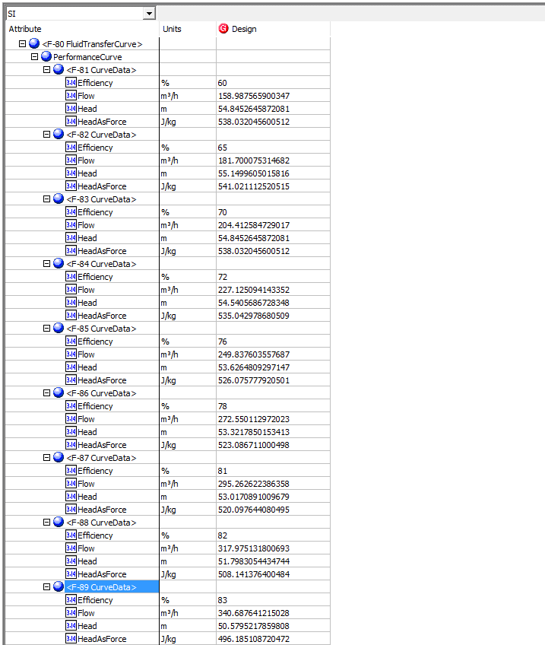
 |  |  | 78 | %
 |  |  | 81 | %
 |  |  | 82 | %
 |  |  | 83 | %

17 | Curves[].CurveData[].Flow | Curves[].Points[].Flow
 |  |  | 158.9875659 | m3/h
 |  |  | 181.70007531 | m3/h
 |  |  | 204.41258473 | m3/h
 |  |  | 227.12509414 | m3/h
 |  |  | 249.83760656 | m3/h
 |  |  | 272.55011297 | m3/h
 |  |  | 295.26262239 | m3/h
 |  |  | 317.9751318 | m3/h
 |  |  | 340.68764122 | m3/h

18 | Curves[].CurveData[].Head | Curves[].Points[].Head
 |  |  | 54.845264587 | m
 |  |  | 55.149960502 | m
 |  |  | 54.845264587 | m
 |  |  | 54.540568673 | m
 |  |  | 53.62648093 | m
 |  |  | 53.321785015 | m
 |  |  | 53.017089101 | m
 |  |  | 51.798305443 | m
 |  |  | 50.579521786 | m

